Use Case
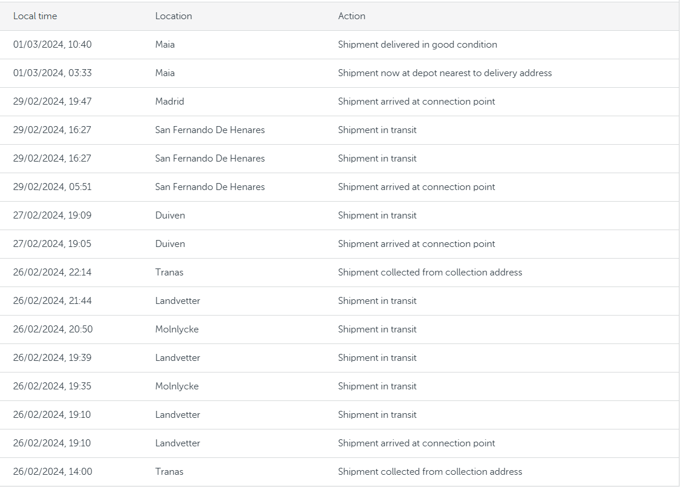
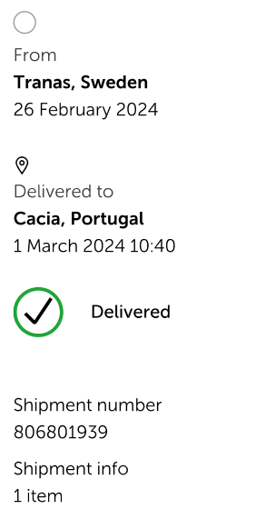
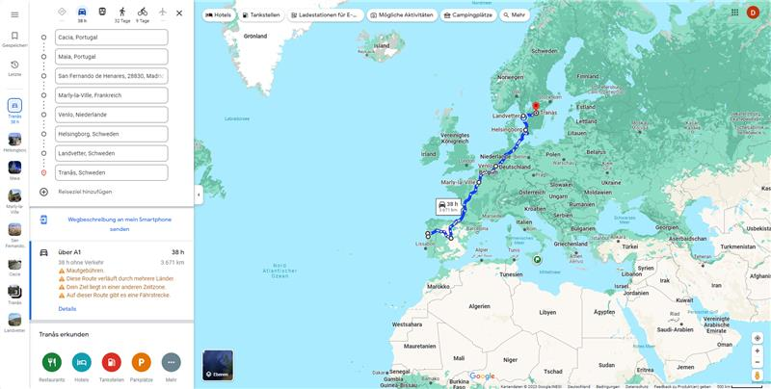
Use Case

Start Point
Type | Time | Decimal |  | Total Time | Percentage
Transport | 5h10m | 5.17 | Theorical Transport: | 78.94 | 88.09%
Storage | 0h00m | 0 | Taking into account a rest period of 9 hours in a 24-hour period of transport
Transport | 20h51m | 20.85
Storage | 0h04m | 0.07 | Resting: | 29.60 | 33.03%
Transport | 34h42m | 37.7 | Storage: | 10.67 | 11.91%
Storage | 10h36m | 10.6 | Real Transport: | 49.34 | 55.06%
Transport | 15h13m | 15.22
End Point
Total: |  | 89.61

